PreMigration Tasks
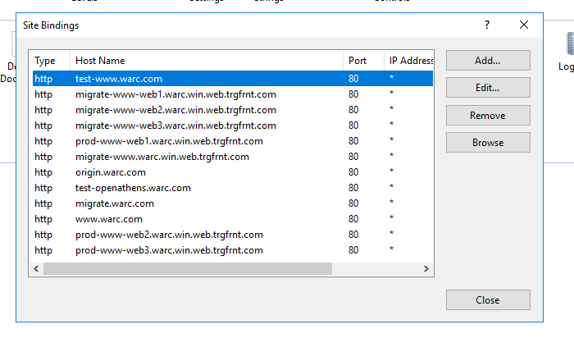
Pre-Migration Actions
Action | Name | When (if timed) | Complete? | Comment
Migrate IIS config fo Redirect service | Paul | n/a | n/a | Compression issue fixed, no more actions. All remain on the IIS
Set TTL on external DNS recrods to 5m | Paul | 2022-11-24 |  | Planned on the Thur 24/11
Slack and email to all internal WARC staff | Chris/ Elias | 2022-11-14 | Complete
Emails to customers (Week before) | Elias | 2022-11-18 | Complete
Emails to US cusomers (Wed morning UK time) | Elias | 2022-11-23 | Complete
Contact Facilities about team on site (Wed) | Elias | 2022-11-23 | Complete (24/11)
Emails to remaining customers (Fri morning UK time) | Elias | 2022-11-25
Slack and email to all internal WARC staff | Chris/ Elias | 2022-11-23 | Complete
Slack and email to all internal WARC staff | Chris/ Elias | 2022-11-25 | Complete
Jake and Seb to have a call to build K8s | Jake/ Seb |  |  | Will there be any commits 2 or less days before. Will clone the repo's and change the pipelines. Work will be on by Sebin a PR for Jake to approve
Change web configs from migrate.warc.com to warc.com | Andy | 2022-11-23 | Complete, PRs ready | PR by COP Thursday; work to be done well in advance
Change config on IIS bindings from migrate.warc.com to warc.com | Paul | 2022-11-24 | Complete | By COP Thursday
Provide times to the team on when they are expected to start | Chris | 2022-11-24 | Complete | By COP Thursday

Clarification Required
Action | Name |  | Complete? | Comment
Do we need to shutdown China? | Chris |  |  | No
Video process, and where they are stored in China | Jake |  |  | Local drive in China
Prevent Salesforce from updating from Friday afternoon | Errol
Talk to "Love The Work about Salesforce | Lions - Nicola?
Check with Hannah what Salesforce scheduled jobs run | Hannah |  |  | Email sent to Hannah 03/11 @12:08

Actions post migration
Remove this, and create the same using migrations CREATE INDEX [AfterMigrate_RequireProfileUpdate] ON [WARCSecurity].[dbo].[UserData] ([RequireProfileUpdate]) WITH (FILLFACTOR=100, ONLINE=ON, SORT_IN_TEMPDB=OFF, DATA_COMPRESSION=NONE); CREATE INDEX [IsWarcInChina_DateLastUpdated_Includes] ON [WARCSecurity].[dbo].[CompanyAccount] ([IsWarcInChina], [DateLastUpdated]) INCLUDE ([DateCreated]) WITH (FILLFACTOR=100, ONLINE=ON, SORT_IN_TEMPDB=OFF, DATA_COMPRESSION=NONE); | Chris |  |  | Create a ticket for this
Create an update all DB Stats & Indexes job daily | Kaz

